D1
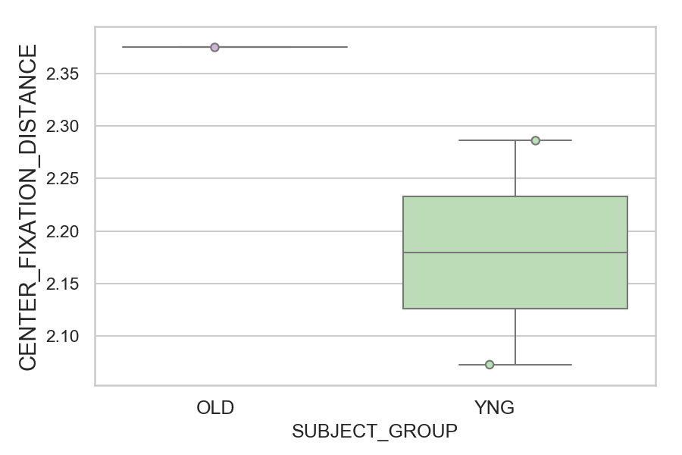
Distance (in degrees) from screen center during fixation period (median of all fixations per trial) (mean of trials per subject)
SUBJECT_NAME | SUBJECT_GROUP | SUBJECT_AGE | VALUE
CP001CTA | OLD | 65 | 2.3751202987
AW002AF | YNG | 19 | 2.2859378083
AW001CG | YNG | 19 | 2.0729207664

D1 (types)
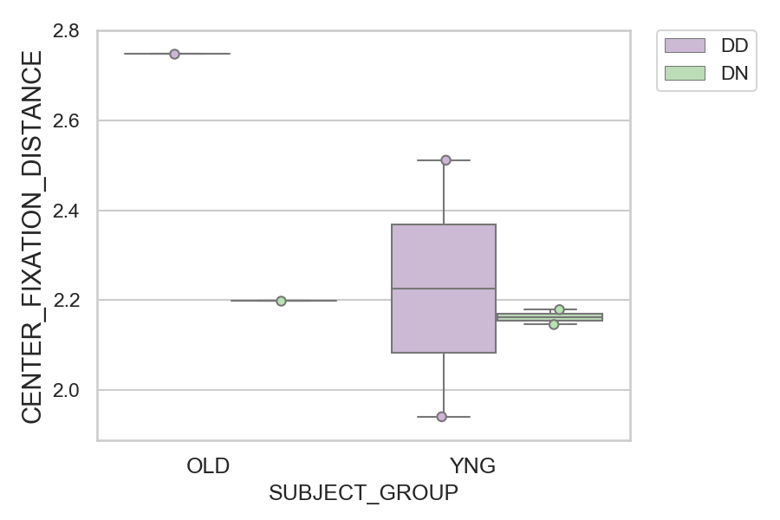
Distance (in degrees) from screen center during fixation period (median of all fixations per trial) (mean of trials per subject)
SUBJECT_NAME | SUBJECT_GROUP | CONDITION_APPEARANCE | SUBJECT_AGE | VALUE
CP001CTA | OLD | DD | 65 | 2.748228968
AW002AF | YNG | DD | 19 | 2.5112340581
CP001CTA | OLD | DN | 65 | 2.1983846133
AW002AF | YNG | DN | 19 | 2.179218532
AW001CG | YNG | DN | 19 | 2.1460831862
AW001CG | YNG | DD | 19 | 1.941228411

